Report_page
Correlation
0.211638683680085 The value shows correlation between subscribers and Likes, the value is between 1 & -1 that means it is a weak correlation
The Most Popular Categories | count
Music and dancing | 160
Films, Animation | 61
MÃºsica y baile, PelÃ­culas | 41
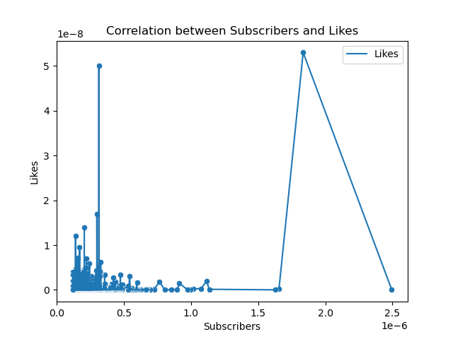
Vlogs diaries | 37
Noticias y PolÃ­tica | 36
Movies, Humor | 34
Animation, Videogames | 34
Animation, Toys | 29
Animation, Humor | 27
Films | 24
Education | 24
Animation | 22
Video games | 19
Videogames, Humor | 17
MÃºsica y baile, AnimaciÃ³n | 16
science and technology | 14
Comida y bebida | 12
Humour | 10
Juguetes | 10
Movies, Toys | 9
Movies, Videogames | 8
Sports | 8
MÃºsica y baile, Humour | 6
Toys, coaches and vehicles | 4
DIY and Life Hacks | 3
Fitness, health and self-help | 3
Videogames, Juguetes | 3
Animals and mascots | 2
Moda | 2
Coaches and vehicles | 2
EducaciÃ³n, Juguetes | 2
fitness | 2
Comida y bebida, Juguetes | 1
ASMR, Comida y bebida | 1
Animation, Humor, Toys | 1
DiseÃ±o/arte, Belleza | 1
Beauty, fashion | 1
ASMR | 1
MÃºsica y baile, Juguetes | 1
Design/art, DIY and Life Hacks | 1
DIY and Life Hacks, Toys | 1
Design/art | 1
Comida y bebida, Salud y autoayuda | 1
Travels, Shows | 1
Toys, DIY and Life Hacks | 1

Report_page-2
The table shows what is most preffered in each country some countries are blank showing that there are not specific categories that are pefered
Most Prefered content category by country or region
Country | Categories
Algeria | Education
Argentina | Films, Animation
Bangladesh | Vlogs diaries
Brazil | Music and dancing
Colombia | Music and dancing
Ecuador
Egypt | Films
El Salvador
France | Vlogs diaries
India | Music and dancing
Indonesia | MÃºsica y baile, PelÃ­culas
Iraq | Animation, Videogames
Japan | Humour
Jordan | Music and dancing
Mexico | Films, Animation
Morocco | Noticias y PolÃ­tica
Pakistan | Music and dancing
Peru | Music and dancing
Philippines | Noticias y PolÃ­tica
Russia | Video games
Saudi Arabia | Music and dancing
Singapore | Animation
Somalia | Films
Spain | Movies, Videogames
Thailand | Music and dancing
Turkey | Vlogs diaries
United Kingdom | MÃºsica y baile, PelÃ­culas
United States | Music and dancing

Report_page-3
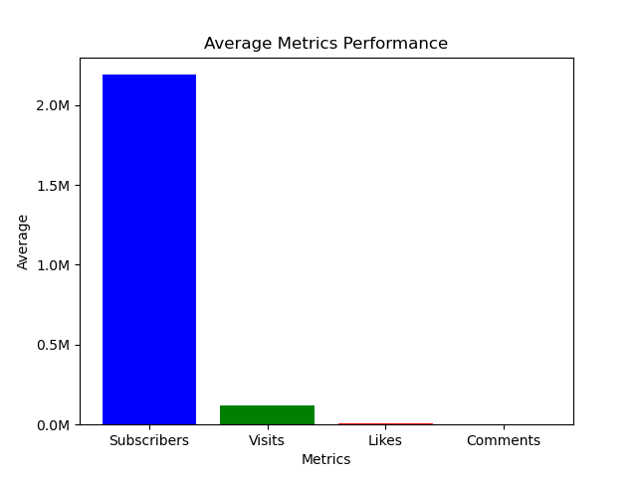
Performance Metrics
Subscribers | 21894400
Visits | 1209446.3155
Likes | 53632.592
Comments | 1288.768

The data shows that there is no balance between the perform metrics Subscribers average is much higher than the metrics

Report_page-4
This table shows the categories with highest streamers i used Subscribe, visits, likes and comments metrics to give us the overall highest, after i got the output from pandas i used the data bars formatter in excel to help visualize.
And the highest performing content creators do get brand collaboration and marketing campaigns because of the huge audience they have.
Categories | Suscribers | Visits | Likes | Comments | Overall_Score
Music and dancing | 4293900000 | 59902100 | 2784909 | 319829 | 4356906838
Films, Animation | 1384300000 | 33631100 | 1565932 | 39385 | 1419536417
Animation, Toys | 851900000 | 15238000 | 76939 | 15 | 867214954
MÃºsica y baile, PelÃ­culas | 798500000 | 18064200 | 736623 | 18745 | 817319568
Vlogs diaries | 654900000 | 126330500 | 6928063 | 36275 | 788194838
Animation, Videogames | 659400000 | 40802000 | 2695997 | 128745 | 703026742
Noticias y PolÃ­tica | 676100000 | 7874400 | 372716 | 12921 | 684360037
Videogames, Humor | 489000000 | 174074500 | 7148700 | 82060 | 670305260
Animation, Humor | 561200000 | 101523400 | 3935745 | 144314 | 666803459
Movies, Humor | 622100000 | 31916600 | 1383277 | 34299 | 655434176
Education | 600300000 | 26545000 | 1081458 | 36894 | 627963352
Films | 507400000 | 18620300 | 691901 | 25945 | 526738146
Video games | 474700000 | 26355600 | 1085300 | 33443 | 502174343
Animation | 388100000 | 14007800 | 471096 | 8726 | 402587622
Juguetes | 378800000 | 7005100 | 52902 | 28 | 385858030
MÃºsica y baile, AnimaciÃ³n | 326400000 | 11131500 | 274480 | 9431 | 337815411
Movies, Videogames | 266000000 | 5552300 | 384667 | 12556 | 271949523
science and technology | 241700000 | 12419800 | 829964 | 19090 | 254968854
Comida y bebida | 193500000 | 32669400 | 1543977 | 36641 | 227750018
Movies, Toys | 191700000 | 5638200 | 11996 | 0 | 197350196
Humour | 152500000 | 23104000 | 1699900 | 51598 | 177355498
Sports | 124200000 | 14076200 | 359592 | 1092 | 138636884
MÃºsica y baile, Humour | 110300000 | 14417600 | 274700 | 12663 | 125004963
Videogames, Juguetes | 74200000 | 1722500 | 19200 | 1011 | 75942711
Toys, coaches and vehicles | 62000000 | 329700 | 3844 | 0 | 62333544
Fitness, health and self-help | 51300000 | 584000 | 22800 | 1596 | 51908396
DIY and Life Hacks | 39200000 | 214400 | 4849 | 143 | 39419392
EducaciÃ³n, Juguetes | 36100000 | 939500 | 4370 | 0 | 37043870
Animals and mascots | 31200000 | 4462900 | 205500 | 5612 | 35874012
fitness | 32700000 | 172400 | 7500 | 127 | 32880027
Moda | 28800000 | 345200 | 16100 | 437 | 29161737
Design/art, DIY and Life Hacks | 25700000 | 2600000 | 127300 | 2200 | 28429500
Coaches and vehicles | 26400000 | 532800 | 36300 | 879 | 26969979
Beauty, fashion | 23900000 | 964500 | 62300 | 1100 | 24927900
DIY and Life Hacks, Toys | 19100000 | 2300000 | 33200 | 2100 | 21435300
Travels, Shows | 20400000 | 89500 | 782 | 49 | 20490331
Design/art | 20100000 | 178500 | 7300 | 140 | 20285940
Comida y bebida, Salud y autoayuda | 20100000 | 114900 | 2800 | 117 | 20217817
MÃºsica y baile, Juguetes | 17300000 | 52500 | 129 | 0 | 17352629
DiseÃ±o/arte, Belleza | 14400000 | 2700000 | 152400 | 1100 | 17253500
ASMR | 15200000 | 368500 | 4100 | 148 | 15572748
Animation, Humor, Toys | 13900000 | 8000 | 37 | 0 | 13908037
ASMR, Comida y bebida | 13000000 | 557500 | 8600 | 349 | 13566449
Comida y bebida, Juguetes | 12300000 | 46900 | 176 | 0 | 12347076
Toys, DIY and Life Hacks | 12200000 | 62600 | 256 | 0 | 12262856

Report_page-5
Content Recommendation System
.I propose a system that would recommend content from the leading content creator in that specific region according to performance metrics.
.Secondly the system would recommend the most streamed categories and liked.
.Then the system would recommend categoreis familiar to previous viewed content by users
.The other feature is that the system would recommend a category to a user on each like it got
Above average performance
Username | Categories | Suscribers | Visits | Likes | Comments
MrBeast | Videogames, Humor | 183500000 | 117400000 | 5300000 | 18500
PewDiePie | Movies, Videogames | 111500000 | 2400000 | 197300 | 4900
dudeperfect | Video games | 59700000 | 5300000 | 156500 | 4200
TaylorSwift | Music and dancing | 54100000 | 4300000 | 300400 | 15000
JuegaGerman | Films, Animation | 48600000 | 2000000 | 117100 | 3000
A4a4a4a4 | Animation, Humor | 47300000 | 9700000 | 330400 | 22000
Mikecrack | Films, Animation | 43400000 | 2200000 | 183400 | 1800
KimberlyLoaiza | Music and dancing | 42100000 | 5300000 | 271300 | 16000
JessNoLimit | Films, Animation | 39600000 | 1300000 | 73500 | 1600
TotalGaming093 | Movies, Videogames | 36300000 | 1500000 | 129400 | 4900
markiplier | Animation, Videogames | 35500000 | 2100000 | 126500 | 3800
AboFlah | Animation, Videogames | 32700000 | 3300000 | 382000 | 11400
fedevigevani | Animation, Humor | 32000000 | 7700000 | 412200 | 17000
dream | Animation, Videogames | 31900000 | 3300000 | 309200 | 19000
MrBeast2 | Vlogs diaries | 31300000 | 83100000 | 5000000 | 11600
jacksepticeye | Animation, Humor | 30400000 | 1600000 | 83400 | 2300
DaFuqBoom | Animation, Humor | 29800000 | 52700000 | 1700000 | 82800
DanTDM | Animation, Videogames | 27800000 | 3500000 | 285000 | 52500
brentrivera | Videogames, Humor | 27600000 | 6400000 | 154100 | 5000
NichLmao | Vlogs diaries | 27500000 | 1500000 | 85800 | 1600
nickiminaj | Music and dancing | 26100000 | 1600000 | 98300 | 7600
AlejoIgoa | Animation | 25700000 | 5700000 | 208400 | 1700
ZHCYT | Design/art, DIY and Life Hacks | 25700000 | 2600000 | 127300 | 2200
rug | Videogames, Humor | 24300000 | 3200000 | 85300 | 5100
alanbecker | Animation, Videogames | 24300000 | 7600000 | 582600 | 5900
juandediospantojaa | MÃºsica y baile, PelÃ­culas | 24000000 | 3000000 | 133200 | 3600
AmiRodrigueZZ | Animation, Humor | 22900000 | 4300000 | 294400 | 1300
StokesTwins | Videogames, Humor | 22700000 | 11700000 | 235000 | 10000
SSundee | Animation, Videogames | 22700000 | 1700000 | 59800 | 1800
souravjoshivlogs7028 | Vlogs diaries | 22700000 | 5600000 | 382300 | 8900
royaltyfam | Humour | 21900000 | 4700000 | 67000 | 6600

